Bracket
 | South Bracket |  |  |  |  |  | Final Four |  |  |  | Team | Makes Sweet 16? | Makes Final Four? | Makes NC? | Wins It All?
1 | Alabama |  |  |  |  |  |  |  |  | East | Alabama | 0 | 0 | 0 | 0
 |  | Alabama |  |  |  | South Winner | San Diego State |  |  |  | Arizona | 0 | 0 | 0 | 0
16 | TAMU-CC |  |  |  |  |  |  | San Diego State |  |  | Baylor | 1 | 0 | 0 | 0
 |  |  | Maryland |  |  | East Winner | Kentucky |  |  |  | Virginia | 0 | 0 | 0 | 0
8 | Maryland |  |  |  |  |  |  |  | San Diego State |  | San Diego State | 1 | 1 | 1 | 1
 |  | Maryland |  |  |  | Midwest Winner | Indiana |  |  |  | Creighton | 0 | 0 | 0 | 0
9 | West Virginia |  |  |  |  |  |  | Indiana |  |  | Missouri | 0 | 0 | 0 | 0
 |  |  |  | San Diego State |  | West Winner | Gonzaga |  |  |  | Maryland | 1 | 0 | 0 | 0
5 | San Diego State |  |  |  |  |  |  |  |  |  | West Virginia | 0 | 0 | 0 | 0
 |  | San Diego State |  |  |  |  |  |  |  |  | Utah State | 1 | 0 | 0 | 0
12 | Charleston |  |  |  |  |  |  |  |  |  | NC State | 0 | 0 | 0 | 0
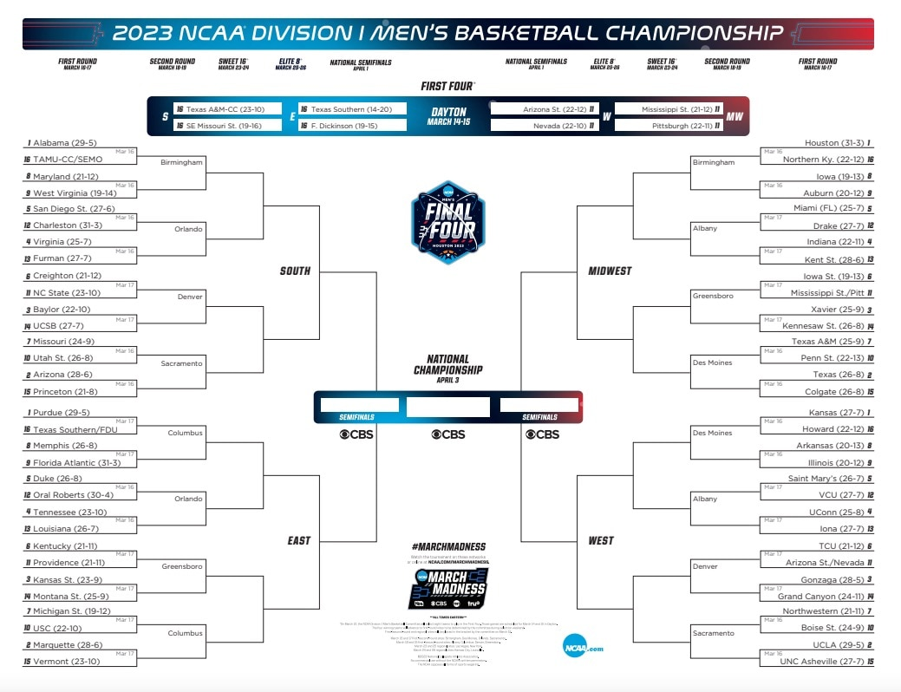
 |  |  | San Diego State |  |  |  |  |  |  |  | Charleston | 0 | 0 | 0 | 0
4 | Virginia |  |  |  |  |  |  |  |  |  | Furman | 0 | 0 | 0 | 0
 |  | Virginia |  |  |  |  |  |  |  |  | UC Santa Barbara | 0 | 0 | 0 | 0
13 | Furman |  |  |  | San Diego State |  |  |  |  |  | Princeton | 0 | 0 | 0 | 0
 |  |  |  |  |  |  |  |  |  |  | TAMU-CC | 0 | 0 | 0 | 0
6 | Creighton |  |  |  |  |  |  |  |  | Midwest | Purdue | 1 | 0 | 0 | 0
 |  | Creighton |  |  |  |  |  |  |  |  | Marquette | 0 | 0 | 0 | 0
11 | NC State |  |  |  |  |  |  |  |  |  | Kansas State | 0 | 0 | 0 | 0
 |  |  | Baylor |  |  |  |  |  |  |  | Tennessee | 1 | 0 | 0 | 0
3 | Baylor |  |  |  |  |  |  |  |  |  | Duke | 0 | 0 | 0 | 0
 |  | Baylor |  |  |  |  |  |  |  |  | Kentucky | 1 | 1 | 0 | 0
14 | UC Santa Barbara |  |  |  |  |  |  |  |  |  | Michigan State | 0 | 0 | 0 | 0
 |  |  |  | Baylor |  |  |  |  |  |  | Memphis | 0 | 0 | 0 | 0
7 | Missouri |  |  |  |  |  |  |  |  |  | Florida Atlantic | 0 | 0 | 0 | 0
 |  | Utah State |  |  |  |  |  |  |  |  | Southern California | 1 | 0 | 0 | 0
10 | Utah State |  |  |  |  |  |  |  |  |  | Providence | 0 | 0 | 0 | 0
 |  |  | Utah State |  |  |  |  |  |  |  | Oral Roberts | 0 | 0 | 0 | 0
2 | Arizona |  |  |  |  |  |  |  |  |  | Louisiana | 0 | 0 | 0 | 0
 |  | Princeton |  |  |  |  |  |  |  |  | Montana State | 0 | 0 | 0 | 0
15 | Princeton |  |  |  |  |  |  |  |  |  | Vermont | 0 | 0 | 0 | 0
 |  |  |  |  |  |  |  |  |  |  | FDU | 0 | 0 | 0 | 0
 |  |  |  |  |  |  |  |  |  | South | Houston | 0 | 0 | 0 | 0
East Bracket |  |  |  |  |  |  |  |  |  |  | Texas | 0 | 0 | 0 | 0
1 | Purdue |  |  |  |  |  |  |  |  |  | Xavier-Ohio | 0 | 0 | 0 | 0
 |  | Purdue |  |  |  |  |  |  |  |  | Indiana | 1 | 1 | 1 | 0
16 | FDU |  |  |  |  |  |  |  |  |  | Miami-Florida | 0 | 0 | 0 | 0
 |  |  | Purdue |  |  |  |  |  |  |  | Iowa State | 0 | 0 | 0 | 0
8 | Memphis |  |  |  |  |  |  |  |  |  | Texas A&M | 1 | 0 | 0 | 0
 |  | Florida Atlantic |  |  |  |  |  |  |  |  | Iowa | 0 | 0 | 0 | 0
9 | Florida Atlantic |  |  |  |  |  |  |  |  |  | Auburn | 1 | 0 | 0 | 0
 |  |  |  | Purdue |  |  |  |  |  |  | Penn State | 0 | 0 | 0 | 0
5 | Duke |  |  |  |  |  |  |  |  |  | Pittsburgh | 1 | 0 | 0 | 0
 |  | Oral Roberts |  |  |  |  |  |  |  |  | Drake | 0 | 0 | 0 | 0
12 | Oral Roberts |  |  |  |  |  |  |  |  |  | Kent State | 0 | 0 | 0 | 0
 |  |  | Tennessee |  |  |  |  |  |  |  | Kennesaw State | 0 | 0 | 0 | 0
4 | Tennessee |  |  |  |  |  |  |  |  |  | Colgate | 0 | 0 | 0 | 0
 |  | Tennessee |  |  |  |  |  |  |  |  | Northern Kentucky | 0 | 0 | 0 | 0
13 | Louisiana |  |  |  | Kentucky |  |  |  |  | West | Kansas | 0 | 0 | 0 | 0
 |  |  |  |  |  |  |  |  |  |  | UCLA | 1 | 0 | 0 | 0
6 | Kentucky |  |  |  |  |  |  |  |  |  | Gonzaga | 1 | 1 | 0 | 0
 |  | Kentucky |  |  |  |  |  |  |  |  | Connecticut | 0 | 0 | 0 | 0
11 | Providence |  |  |  |  |  |  |  |  |  | Saint Mary's-Cal. | 0 | 0 | 0 | 0
 |  |  | Kentucky |  |  |  |  |  |  |  | TCU | 0 | 0 | 0 | 0
3 | Kansas State |  |  |  |  |  |  |  |  |  | Northwestern | 0 | 0 | 0 | 0
 |  | Kansas State |  |  |  |  |  |  |  |  | Arkansas | 0 | 0 | 0 | 0
14 | Montana State |  |  |  |  |  |  |  |  |  | Illinois | 1 | 0 | 0 | 0
 |  |  |  | Kentucky |  |  |  |  |  |  | Boise State | 0 | 0 | 0 | 0
7 | Michigan State |  |  |  |  |  |  |  |  |  | Arizona State | 0 | 0 | 0 | 0
 |  | Southern California |  |  |  |  |  |  |  |  | VCU(Va. Commonwealth) | 0 | 0 | 0 | 0
10 | Southern California |  |  |  |  |  |  |  |  |  | Iona | 1 | 0 | 0 | 0
 |  |  | Southern California |  |  |  |  |  |  |  | Grand Canyon | 0 | 0 | 0 | 0
2 | Marquette |  |  |  |  |  |  |  |  |  | NC Asheville | 0 | 0 | 0 | 0
 |  | Marquette |  |  |  |  |  |  |  |  | Howard | 0 | 0 | 0 | 0
15 | Vermont |  |  |  |  |  |  |  |  |  |  | 16 | 4 | 2 | 1

Midwest Bracket
1 | Houston
 |  | Houston
16 | Northern Kentucky
 |  |  | Auburn
8 | Iowa
 |  | Auburn
9 | Auburn
 |  |  |  | Indiana
5 | Miami-Florida
 |  | Drake
12 | Drake
 |  |  | Indiana
4 | Indiana
 |  | Indiana
13 | Kent State |  |  |  | Indiana

6 | Iowa State
 |  | Pittsburgh
11 | Pittsburgh
 |  |  | Pittsburgh
3 | Xavier-Ohio
 |  | Xavier-Ohio
14 | Kennesaw State
 |  |  |  | Pittsburgh
7 | Texas A&M
 |  | Texas A&M
10 | Penn State
 |  |  | Texas A&M
2 | Texas
 |  | Texas
15 | Colgate

West Bracket
1 | Kansas
 |  | Kansas
16 | Howard
 |  |  | Illinois
8 | Arkansas
 |  | Illinois
9 | Illinois
 |  |  |  | Illinois
5 | Saint Mary's-Cal.
 |  | Saint Mary's-Cal.
12 | VCU(Va. Commonwealth)
 |  |  | Iona
4 | Connecticut
 |  | Iona
13 | Iona |  |  |  | Gonzaga

6 | TCU
 |  | TCU
11 | Arizona State
 |  |  | Gonzaga
3 | Gonzaga
 |  | Gonzaga
14 | Grand Canyon
 |  |  |  | Gonzaga
7 | Northwestern
 |  | Northwestern
10 | Boise State
 |  |  | UCLA
2 | UCLA
 |  | UCLA
15 | NC Asheville

Data and Probs
Standard Deviation Parameter | 10
 |  | ID | 1 | 2 | 3 | 4 | 5 | 6 | 7 | 8 | 9 | 10 | 11 | 12 | 13 | 14 | 15 | 16 | 17 | 18 | 19 | 20 | 21 | 22 | 23 | 24 | 25 | 26 | 27 | 28 | 29 | 30 | 31 | 32 | 33 | 34 | 35 | 36 | 37 | 38 | 39 | 40 | 41 | 42 | 43 | 44 | 45 | 46 | 47 | 48 | 49 | 50 | 51 | 52 | 53 | 54 | 55 | 56 | 57 | 58 | 59 | 60 | 61 | 62 | 63 | 64
 |  | Seed | 1 | 2 | 3 | 4 | 5 | 6 | 7 | 8 | 9 | 10 | 11 | 12 | 13 | 14 | 15 | 16 | 1 | 2 | 3 | 4 | 5 | 6 | 7 | 8 | 9 | 10 | 11 | 12 | 13 | 14 | 15 | 16 | 1 | 2 | 3 | 4 | 5 | 6 | 7 | 8 | 9 | 10 | 11 | 12 | 13 | 14 | 15 | 16 | 1 | 2 | 3 | 4 | 5 | 6 | 7 | 8 | 9 | 10 | 11 | 12 | 13 | 14 | 15 | 16
 |  | Team | Alabama | Arizona | Baylor | Virginia | San Diego State | Creighton | Missouri | Maryland | West Virginia | Utah State | NC State | Charleston | Furman | UC Santa Barbara | Princeton | TAMU-CC | Purdue | Marquette | Kansas State | Tennessee | Duke | Kentucky | Michigan State | Memphis | Florida Atlantic | Southern California | Providence | Oral Roberts | Louisiana | Montana State | Vermont | FDU | Houston | Texas | Xavier-Ohio | Indiana | Miami-Florida | Iowa State | Texas A&M | Iowa | Auburn | Penn State | Pittsburgh | Drake | Kent State | Kennesaw State | Colgate | Northern Kentucky | Kansas | UCLA | Gonzaga | Connecticut | Saint Mary's-Cal. | TCU | Northwestern | Arkansas | Illinois | Boise State | Arizona State | VCU(Va. Commonwealth) | Iona | Grand Canyon | NC Asheville | Howard
 |  |  | 92.23 | 89.86 | 87.36 | 80.66 | 85.19 | 87.63 | 82.38 | 85.47 | 85.86 | 84.12 | 83.25 | 80.69 | 79.48 | 76.41 | 76.31 | 70.24 | 89.16 | 87.51 | 85.34 | 89.28 | 87.34 | 85.95 | 84.93 | 86.53 | 83.66 | 84.12 | 84.12 | 80.49 | 77.42 | 74.72 | 76.74 | 63.86 | 91.85 | 90.46 | 86.5 | 86.21 | 84.18 | 84.82 | 86.08 | 84.85 | 85.32 | 83.88 | 81.54 | 81.9 | 81.09 | 73.1 | 76.13 | 72.62 | 89.95 | 91.21 | 90.47 | 90.07 | 86.43 | 85.95 | 83.93 | 85.76 | 85.3 | 81.89 | 80.99 | 83.45 | 79.69 | 76 | 72.84 | 69
...
 | 92.23 |  | 0.50 | 0.59 | 0.69 | 0.88 | 0.76 | 0.68 | 0.84 | 0.75 | 0.74 | 0.79 | 0.82 | 0.88 | 0.90 | 0.94 | 0.94 | 0.99 | 0.62 | 0.68 | 0.75
 | 89.86 |  | 0.41 | 0.50 | 0.60 | 0.82 | 0.68 | 0.59 | 0.77 | 0.67 | 0.66 | 0.72 | 0.75 | 0.82 | 0.85 | 0.91 | 0.91 | 0.98 | 0.53 | 0.59 | 0.67
 | 87.36 |  | 0.31 | 0.40 | 0.50 | 0.75 | 0.59 | 0.49 | 0.69 | 0.57 | 0.56 | 0.63 | 0.66 | 0.75 | 0.78 | 0.86 | 0.87 | 0.96 | 0.43 | 0.49 | 0.58
 | 80.66 |  | 0.12 | 0.18 | 0.25 | 0.50 | 0.33 | 0.24 | 0.43 | 0.32 | 0.30 | 0.36 | 0.40 | 0.50 | 0.55 | 0.66 | 0.67 | 0.85 | 0.20 | 0.25 | 0.32
 | 85.19 |  | 0.24 | 0.32 | 0.41 | 0.67 | 0.50 | 0.40 | 0.61 | 0.49 | 0.47 | 0.54 | 0.58 | 0.67 | 0.72 | 0.81 | 0.81 | 0.93 | 0.35 | 0.41 | 0.49
 | 87.63 |  | 0.32 | 0.41 | 0.51 | 0.76 | 0.60 | 0.50 | 0.70 | 0.59 | 0.57 | 0.64 | 0.67 | 0.76 | 0.79 | 0.87 | 0.87 | 0.96 | 0.44 | 0.50 | 0.59
 | 82.38 |  | 0.16 | 0.23 | 0.31 | 0.57 | 0.39 | 0.30 | 0.50 | 0.38 | 0.36 | 0.43 | 0.47 | 0.57 | 0.61 | 0.72 | 0.73 | 0.89 | 0.25 | 0.30 | 0.38
 | 85.47 |  | 0.25 | 0.33 | 0.43 | 0.68 | 0.51 | 0.41 | 0.62 | 0.50 | 0.48 | 0.55 | 0.59 | 0.68 | 0.73 | 0.82 | 0.82 | 0.94 | 0.36 | 0.42 | 0.51
 | 85.86 |  | 0.26 | 0.34 | 0.44 | 0.70 | 0.53 | 0.43 | 0.64 | 0.52 | 0.50 | 0.57 | 0.60 | 0.70 | 0.74 | 0.83 | 0.83 | 0.94 | 0.37 | 0.43 | 0.52
 | 84.12 |  | 0.21 | 0.28 | 0.37 | 0.64 | 0.46 | 0.36 | 0.57 | 0.45 | 0.43 | 0.50 | 0.53 | 0.63 | 0.68 | 0.78 | 0.78 | 0.92 | 0.31 | 0.37 | 0.45
These Sagarin ratings are taken from https://www.usatoday.com/sports/ncaab/sagarin/
The ratings are based on ratings for the 2022-23 season through March 14, 2023.
The Sagarin ratings are designed so that the difference in ratings of two teams is an estimate of the point spread in a game between the two teams.*
The win probabilities assume a game's point difference is normally distributed with mean = the difference in Sagarin ratings and a standard deviation given by the value in the cell name Name SD_Parm (in cell E3); 10 is a typical value; see Wayne Winston's book Mathletics.
 | 83.25 |  | 0.18 | 0.25 | 0.34 | 0.60 | 0.42 | 0.33 | 0.53 | 0.41 | 0.40 | 0.47 | 0.50 | 0.60 | 0.65 | 0.75 | 0.76 | 0.90 | 0.28 | 0.34 | 0.42
 | 80.69 |  | 0.12 | 0.18 | 0.25 | 0.50 | 0.33 | 0.24 | 0.43 | 0.32 | 0.30 | 0.37 | 0.40 | 0.50 | 0.55 | 0.67 | 0.67 | 0.85 | 0.20 | 0.25 | 0.32
 | 79.48 |  | 0.10 | 0.15 | 0.22 | 0.45 | 0.28 | 0.21 | 0.39 | 0.27 | 0.26 | 0.32 | 0.35 | 0.45 | 0.50 | 0.62 | 0.62 | 0.82 | 0.17 | 0.21 | 0.28
 | 76.41 |  | 0.06 | 0.09 | 0.14 | 0.34 | 0.19 | 0.13 | 0.28 | 0.18 | 0.17 | 0.22 | 0.25 | 0.33 | 0.38 | 0.50 | 0.50 | 0.73 | 0.10 | 0.13 | 0.19
 | 76.31 |  | 0.06 | 0.09 | 0.13 | 0.33 | 0.19 | 0.13 | 0.27 | 0.18 | 0.17 | 0.22 | 0.24 | 0.33 | 0.38 | 0.50 | 0.50 | 0.73 | 0.10 | 0.13 | 0.18
 | 70.24 |  | 0.01 | 0.02 | 0.04 | 0.15 | 0.07 | 0.04 | 0.11 | 0.06 | 0.06 | 0.08 | 0.10 | 0.15 | 0.18 | 0.27 | 0.27 | 0.50 | 0.03 | 0.04 | 0.07
 | 89.16 |  | 0.38 | 0.47 | 0.57 | 0.80 | 0.65 | 0.56 | 0.75 | 0.64 | 0.63 | 0.69 | 0.72 | 0.80 | 0.83 | 0.90 | 0.90 | 0.97 | 0.50 | 0.57 | 0.65
 | 87.51 |  | 0.32 | 0.41 | 0.51 | 0.75 | 0.59 | 0.50 | 0.70 | 0.58 | 0.57 | 0.63 | 0.66 | 0.75 | 0.79 | 0.87 | 0.87 | 0.96 | 0.43 | 0.50 | 0.59
 | 85.34 |  | 0.25 | 0.33 | 0.42 | 0.68 | 0.51 | 0.41 | 0.62 | 0.49 | 0.48 | 0.55 | 0.58 | 0.68 | 0.72 | 0.81 | 0.82 | 0.93 | 0.35 | 0.41 | 0.50
 | 89.28 |  | 0.38 | 0.48 | 0.58 | 0.81 | 0.66 | 0.57 | 0.75 | 0.65 | 0.63 | 0.70 | 0.73 | 0.80 | 0.84 | 0.90 | 0.90 | 0.97 | 0.50 | 0.57 | 0.65
 | 87.34 |  | 0.31 | 0.40 | 0.50 | 0.75 | 0.59 | 0.49 | 0.69 | 0.57 | 0.56 | 0.63 | 0.66 | 0.75 | 0.78 | 0.86 | 0.86 | 0.96 | 0.43 | 0.49 | 0.58
 | 85.95 |  | 0.27 | 0.35 | 0.44 | 0.70 | 0.53 | 0.43 | 0.64 | 0.52 | 0.50 | 0.57 | 0.61 | 0.70 | 0.74 | 0.83 | 0.83 | 0.94 | 0.37 | 0.44 | 0.52
 | 84.93 |  | 0.23 | 0.31 | 0.40 | 0.67 | 0.49 | 0.39 | 0.60 | 0.48 | 0.46 | 0.53 | 0.57 | 0.66 | 0.71 | 0.80 | 0.81 | 0.93 | 0.34 | 0.40 | 0.48
 | 86.53 |  | 0.28 | 0.37 | 0.47 | 0.72 | 0.55 | 0.46 | 0.66 | 0.54 | 0.53 | 0.60 | 0.63 | 0.72 | 0.76 | 0.84 | 0.85 | 0.95 | 0.40 | 0.46 | 0.55
 | 83.66 |  | 0.20 | 0.27 | 0.36 | 0.62 | 0.44 | 0.35 | 0.55 | 0.43 | 0.41 | 0.48 | 0.52 | 0.62 | 0.66 | 0.77 | 0.77 | 0.91 | 0.29 | 0.35 | 0.43
 | 84.12 |  | 0.21 | 0.28 | 0.37 | 0.64 | 0.46 | 0.36 | 0.57 | 0.45 | 0.43 | 0.50 | 0.53 | 0.63 | 0.68 | 0.78 | 0.78 | 0.92 | 0.31 | 0.37 | 0.45
 | 84.12 |  | 0.21 | 0.28 | 0.37 | 0.64 | 0.46 | 0.36 | 0.57 | 0.45 | 0.43 | 0.50 | 0.53 | 0.63 | 0.68 | 0.78 | 0.78 | 0.92 | 0.31 | 0.37 | 0.45
 | 80.49 |  | 0.12 | 0.17 | 0.25 | 0.49 | 0.32 | 0.24 | 0.43 | 0.31 | 0.30 | 0.36 | 0.39 | 0.49 | 0.54 | 0.66 | 0.66 | 0.85 | 0.19 | 0.24 | 0.31
 | 77.42 |  | 0.07 | 0.11 | 0.16 | 0.37 | 0.22 | 0.15 | 0.31 | 0.21 | 0.20 | 0.25 | 0.28 | 0.37 | 0.42 | 0.54 | 0.54 | 0.76 | 0.12 | 0.16 | 0.21
 | 74.72 |  | 0.04 | 0.07 | 0.10 | 0.28 | 0.15 | 0.10 | 0.22 | 0.14 | 0.13 | 0.17 | 0.20 | 0.28 | 0.32 | 0.43 | 0.44 | 0.67 | 0.07 | 0.10 | 0.14
 | 76.74 |  | 0.06 | 0.09 | 0.14 | 0.35 | 0.20 | 0.14 | 0.29 | 0.19 | 0.18 | 0.23 | 0.26 | 0.35 | 0.39 | 0.51 | 0.52 | 0.74 | 0.11 | 0.14 | 0.19
 | 63.86 |  | 0.00 | 0.00 | 0.01 | 0.05 | 0.02 | 0.01 | 0.03 | 0.02 | 0.01 | 0.02 | 0.03 | 0.05 | 0.06 | 0.10 | 0.11 | 0.26 | 0.01 | 0.01 | 0.02
...

Results
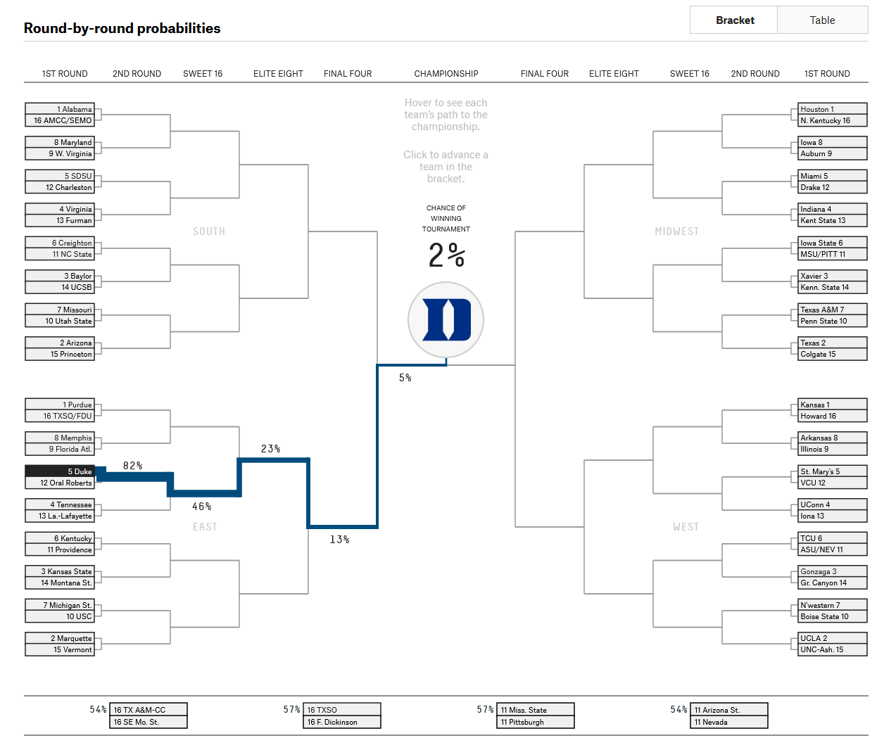
 |  |  |  | Makes NC? | Wins It All?
 |  |  |  | 28.15% | 16.23%
 |  |  |  | 13.26% | 6.31%
 | Baylor | 47.11% | 10.20% | 5.01% | 2.06%
 | Virginia | 20.59% | 0.86% | 0.26% | 0.04% |  | This model (Sagarin-based) | Fivethirtyeight simulator
 | San Diego State | 46.07% | 5.21% | 2.06% | 0.64% | Alabama | 16.23% | 16%
 | Creighton | 36.98% | 8.11% | 3.98% | 1.53% | Duke | 1.65% | 2%
 | Missouri | 11.56% | 0.96% | 0.26% | 0.07%
 | Maryland | 12.36% | 3.21% | 1.30% | 0.34%
 | West Virginia | 14.04% | 3.70% | 1.84% | 0.57% |  |  |  | 😢
 | Utah State | 18.74% | 2.72% | 1.01% | 0.35%
 | NC State | 13.40% | 1.26% | 0.37% | 0.09%
 | Charleston | 17.76% | 0.66% | 0.18% | 0.02%
For comparison, here are some results from fivethirty eight's model (prior to tournament start) for a few teams winning it all (screenshot to right). Source:
https://projects.fivethirtyeight.com/2023-march-madness-predictions/
 | Furman | 15.58% | 0.37% | 0.08% | 0.01%
 | UC Santa Barbara | 2.51% | 0.06% | 0.00% | 0.00%
 | Princeton | 2.20% | 0.04% | 0.02% | 0.01%
 | TAMU-CC | 0.12% | 0.00% | 0.00% | 0.00%
East | Purdue | 64.12% | 22.24% | 10.73% | 5.22%
 | Marquette | 53.12% | 14.84% | 6.16% | 2.68%
 | Kansas State | 43.60% | 8.17% | 2.68% | 1.02%
 | Tennessee | 56.13% | 19.36% | 9.61% | 4.64%
 | Duke | 35.78% | 9.39% | 3.98% | 1.65%
 | Kentucky | 33.66% | 7.37% | 2.79% | 1.02%
 | Michigan State | 23.79% | 4.33% | 1.39% | 0.43%
 | Memphis | 24.69% | 5.98% | 2.31% | 0.85%
 | Florida Atlantic | 11.17% | 1.37% | 0.45% | 0.16%
 | Southern California | 20.07% | 3.31% | 0.97% | 0.34%
 | Providence | 20.71% | 3.15% | 1.07% | 0.37%
Saved results based on a run of 10,000 trials
Saved results based on a run of 10,000 trials
 | Oral Roberts | 5.65% | 0.38% | 0.06% | 0.03%
 | Louisiana | 2.44% | 0.03% | 0.00% | 0.00%
 | Montana State | 2.03% | 0.02% | 0.00% | 0.00%
 | Vermont | 3.02% | 0.06% | 0.02% | 0.00%
 | FDU | 0.02% | 0.00% | 0.00% | 0.00%
Midwest | Houston | 72.69% | 36.46% | 21.73% | 13.10%
 | Texas | 64.35% | 24.93% | 13.22% | 7.35%
 | Xavier-Ohio | 56.14% | 9.90% | 3.91% | 1.60%
 | Indiana | 42.61% | 7.05% | 2.74% | 0.97%
 | Miami-Florida | 28.57% | 3.24% | 0.88% | 0.31%
 | Iowa State | 29.66% | 3.62% | 1.03% | 0.42%
 | Texas A&M | 21.93% | 4.75% | 1.85% | 0.72%
 |  |  |  | 0.66% | 0.21%
 |  |  |  | 1.03% | 0.45%
 |  |  |  | 0.52% | 0.10%
 |  |  |  | 0.22% | 0.03%
 |  |  |  | 0.22% | 0.06%
 |  |  |  | 0.16% | 0.06%
 |  |  |  | 0.01% | 0.00%
 |  |  |  | 0.00% | 0.00%
 |  |  |  | 0.00% | 0.00%
 |  |  |  | 9.99% | 5.43%
 |  |  |  | 16.27% | 9.21%
 |  |  |  | 11.46% | 6.52%
 |  |  |  | 8.48% | 4.67%
 |  |  |  | 1.53% | 0.66%
 |  |  |  | 1.44% | 0.54%
 |  |  |  | 0.57% | 0.22%
 |  |  |  | 0.83% | 0.30%
 |  |  |  | 0.62% | 0.18%
 |  |  |  | 0.21% | 0.09%
 |  |  |  | 0.07% | 0.02%
 |  |  |  | 0.31% | 0.10%
 |  |  |  | 0.04% | 0.00%
 |  |  |  | 0.00% | 0.00%
 |  |  |  | 0.00% | 0.00%
 |  |  |  | 0.00% | 0.00%

